Sheet1
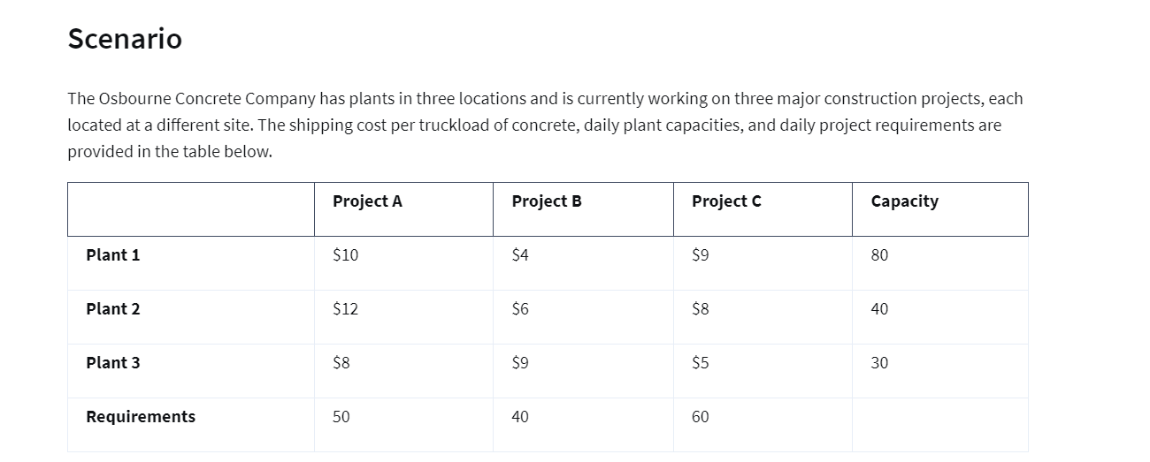
Origin/Factory | Destination/Stores | Unit Costs | Shipments
Plant 1 | Project A | 10 | 40
Plant 1 | Project B | 4 | 40
Plant 1 | Project C | 9 | 0
Plant 2 | Project A | 12 | 0
Plant 2 | Project B | 6 | 0
Plant 2 | Project C | 8 | 40
Plant 3 | Project A | 8 | 10
Plant 3 | Project B | 9 | 0
Plant 3 | Project C | 5 | 20

Supply Constraints
Factories | Outflow | Sign | Capacity
Plant 1 | 80 | <= | 80
Plant 2 | 40 | <= | 40
Plant 3 | 30 | <= | 30

Demand Constraints
Project | Inflow | Sign | Capacity
Project A | 50 | >= | 50
Project B | 40 | >= | 40
Project C | 60 | >= | 60

Objective (Min) : | 1060

